Sheet1
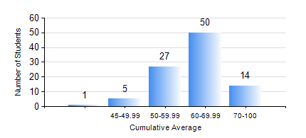
 |  |  | KWAME NKRUMAH UNIVERSITY OF SCIENCE AND TECHNOLOGY, KUMASI Department of Geomatic Engineering

 |  |  | BSC. GEOMATIC ENG.

 |  |  | COMPREHENSIVE RECORD OF EXAMINATION RESULTS

 |  |  | RESULTS OF YEAR 1 FIRST SEMESTER, 2019/2020 ACADEMIC YEAR

 | Sn | Course Code |  | Course Name | Credit Hours | Min. Mark | Max. Mark | Avg. Mark | Std. Dev. | No. Passed | No. Trailed | No. (Df) | No. (I) | No. (I*) | No. Tagged(I,I*,Df) | Total
 | 0. |  |  |  |  |  |  | 0 | 0 | 0 | 0 | 0 | 0 | 0 | 0 | 2
 | 1. | ENGL 157 |  | COMMUNICATION SKILLS I | 2 | 34 | 73 | 57 | 7.84 | 92 | 3 | 0 | 0 | 0 | 0 | 95
 | 2. | GE 151 |  | CARTOGRAPHY I | 2 | 52 | 88 | 73 | 7.67 | 94 | 0 | 0 | 1 | 0 | 1 | 95
 | 3. | GE 161 |  | BASIC SURVEY PRINCIPLES I | 3 | 50 | 83 | 68 | 7.12 | 95 | 0 | 0 | 0 | 0 | 0 | 95
 | 4. | GE 171 |  | APPLIED OPTICS | 2 | 46 | 89 | 69 | 9.87 | 94 | 0 | 0 | 1 | 0 | 1 | 95
 | 5. | MATH 151 |  | ALGEBRA | 4 | 31 | 84 | 58 | 9.55 | 92 | 2 | 0 | 1 | 0 | 1 | 95
 | 6. | ME 159 |  | TECHNICAL DRAWING | 2 | 40 | 76 | 51 | 9.43 | 95 | 0 | 0 | 0 | 0 | 0 | 95
 | 7. | ME 161 |  | BASIC MECHANICS | 3 | 40 | 91 | 63 | 11.73 | 95 | 0 | 0 | 0 | 0 | 0 | 95

